Module 9
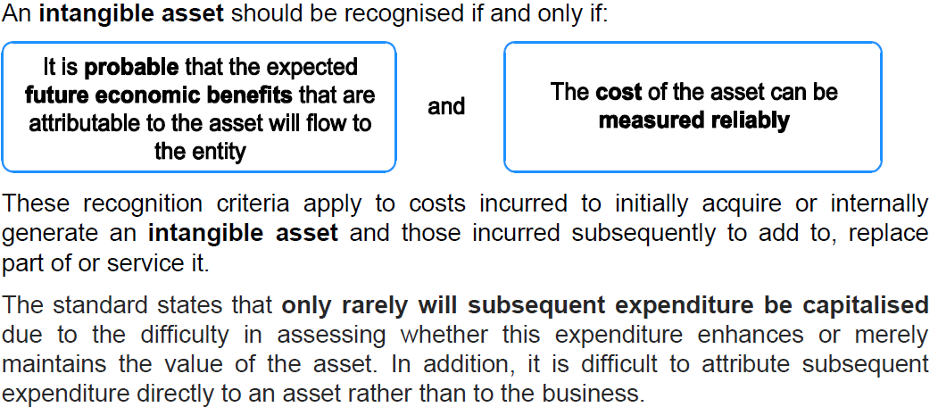
Main

 | NCA - Intangible assets

 | The accounting treatment is determined by IAS 38 Intangible Assets, which includes that expenditure relating to research and development costs should only be capitalised when all six criteria in para 57 of the standard have been met – Project 175 meets these criteria at XX/XX/XXXX.

 | IAS 38 Intangible assets
 | Research and development
 | Expenditure on research is recognised as an expense in the P&L when it occurs

 | Expenditure on development must be capitalised only if ALL of the criteria can be demonstrated:
 | - The technical feasability of completing the intangible asset so that it will be available for use or sale
 | - Intention to complete the intangible asset and use or sell it
 | - Ability to use or sell the intangible asset
 | - How the asset will generate probably future economic benefits
 | - Availability of adequate technical, financial and other resources to complete the devlopment and to use or sell the intangible asset
 | - Ability to measure reliably the expenditure attributable to the intangible asset during development.

 | Past Costs
 | Once expenditure has been written off to P&L it remains written off, it cannot be reinstated as part of the cost of an intangible asset, although the item may then qualify as an intangible asset.

 | patents
 | operating licenses
 | copyrights
 | franchise agreements
 | goodwill is an intangible but is covered elsewhere in the course

 | Bosman ruling means the residula value of football players is nil
 | youth players not capitalised as they are internally generated

 | Intangiblr asset is non-monetary asset without physical substance

 | asset - has control and expects a future economic benefit to arise
 | IA have more uncertainty about economic benefits and often harder to quantify
 | requires jusgement and estimation

 | Do not parse out IA if treated under the scope of another standard
 | leases IFRS 16, EE benefits IAS 19 or DTA IAS 12 or inventories IAS 2

 | IA must be seperately identifiable

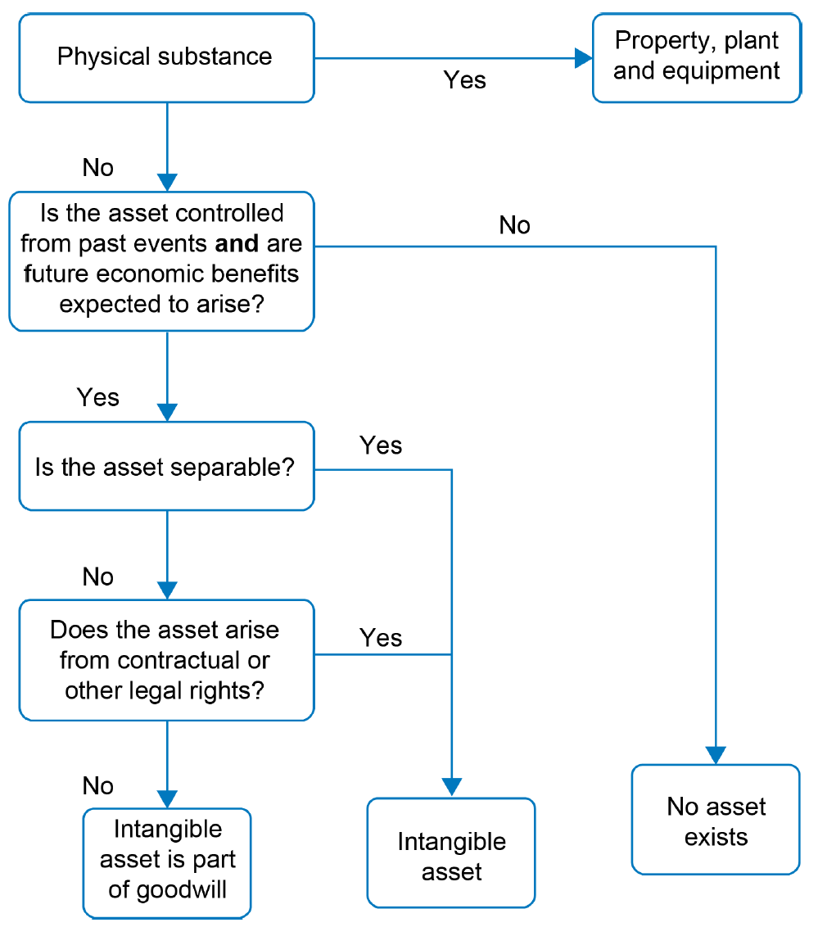

 | need to be able to measure the cost reliably
 | only rarely can subsequent spend be capitalised into IA as it hard to tell if it is improvement or just maintenance.
 | hard to attribute the expense to just the asset

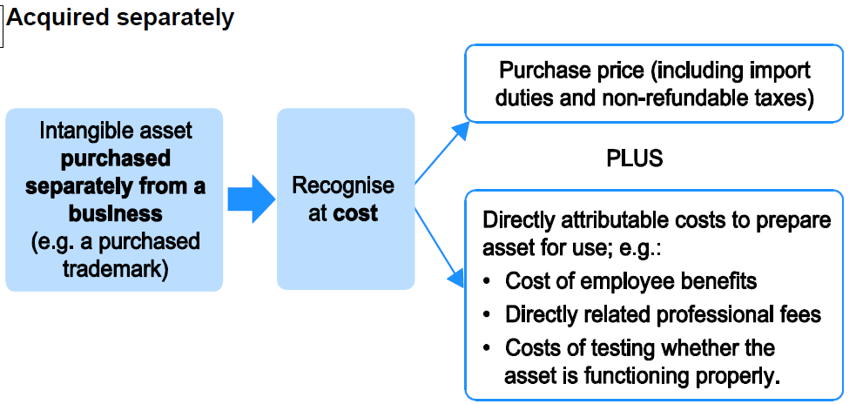

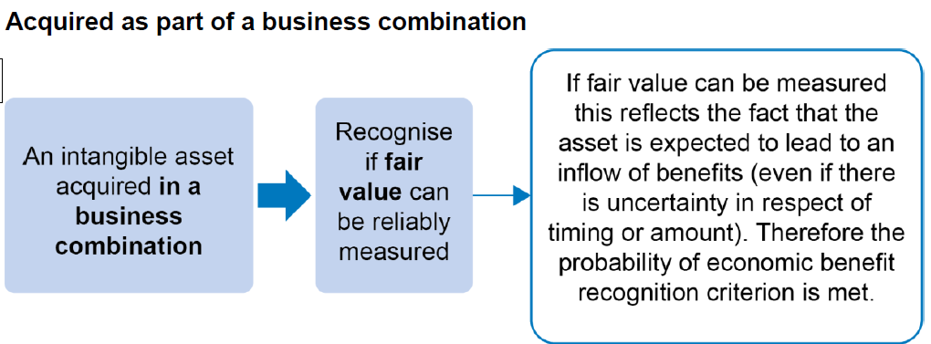

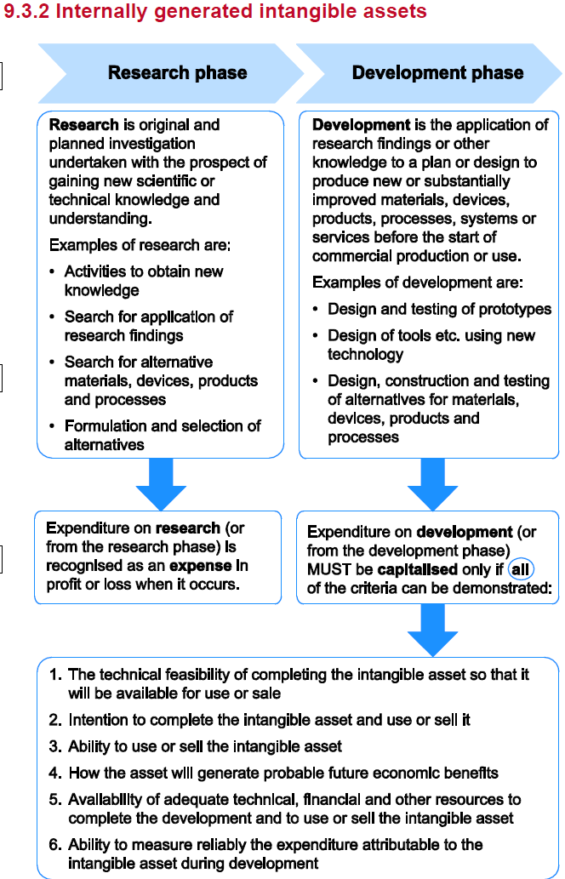

 | Could capitalise videogame production for example
 | Development expenditure must be capitalised provided all the above criteria are met also
 | Any PPE depreciation or IA amortisation attribtued to development can be capitalised
 | PPE depreciation or IA amortisation related to research has to go through the P&L though
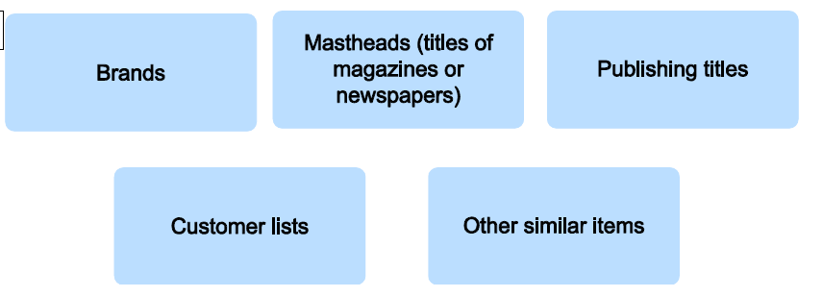

 | Internally generated goodwill is not a thing
 | cannot be recognised as an asset

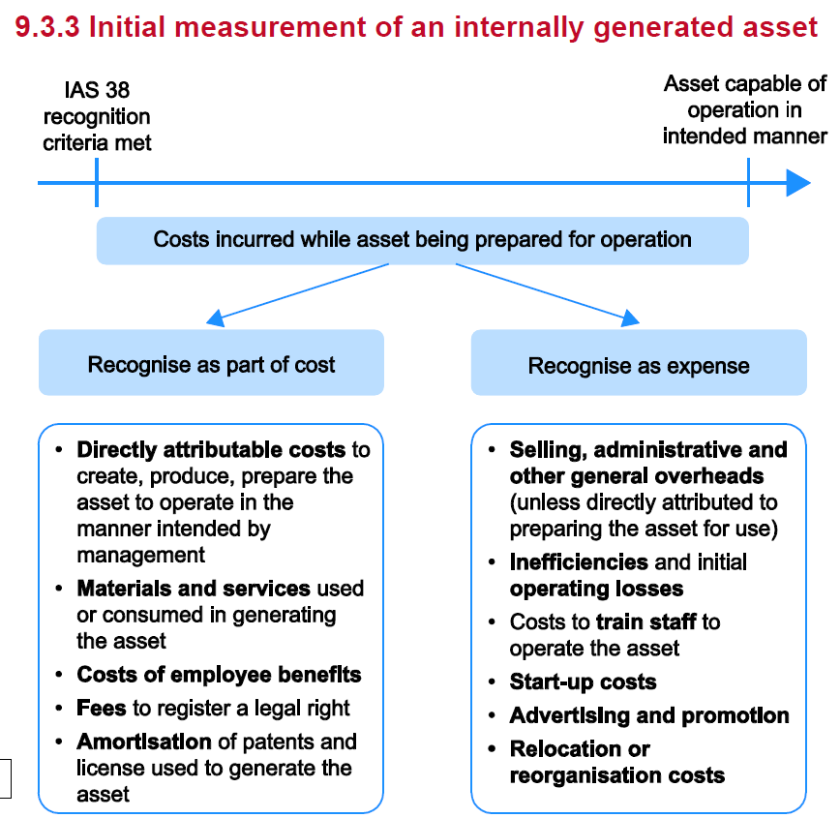

 | Internally generated brands cannot be recognised as IA. Only recognised when sold.

 | any P&L costs incurred before IA criteria were met has to remain written off throught the P&L
 | cannot write back P&L expense to the IA

 | Revaluation of IA only permissable where there is an active market
 | very rare for IA to be revalued as transactions often on a one off basis

 | when assessign the finiteness of the useful life. Consider any extension periods as being part of this
 | can use SL or reducing balance for amortisation
 | amortisation is a P&L expense unless required to be included in the production of another asset in which case it can be capitalised.

 | IA amortisation and residual value should be reassessed each year.
 | changing an infinite life asset to a finite life asset would incur an amortisation charge which would reduce net assets and reduce profits
 | an unethical accountant could ignore triggers of a finaite useful life in order to overstate net assets.
 | annual impairment review of IA
 | retirement on disposal. Allocate to held for sale or discontinued. Continue to deprecaite unless fully depreciated or classified as held for sale
 | if HFS then do no amortise

 | Intangible asset criteria:
 | Identifiability is required to distinguish intangible assets from goodwill. If the asset is identifiable, it can be separated from goodwill and should be accounted for and disclosed as a separate asset.
 | An asset is identifiable if it either
 | Is separable – asset is capable of being separated or divided from the entity and sold, transferred, licensed, rented or exchanged, either individually or together with a related contract, identifiable asset or liability
 | Arises from contractual or other legal rights – Regardless of whether these rights are transferable or separate from the entity or from other rights and obligations.

WSE9.1
Main
 | Crown

 | The customer list meets the definition of an asset as holding the list gives control and it is assumed to generate economic benefit through the targeting of customers for related sales.
 | The customer list is identifiable as it is separable – it is possible to sell the list separately from the rest of the business.
 | The customer list is non-monetary and without physical substance and so is an intangible asset

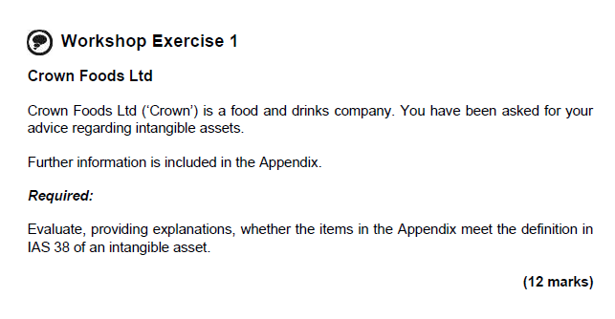

 | The franchise agreement meets the definition of an asset as holding the license gives control and franchises are assumed to generate economic benefit through operating fast-food outlets.
 | The license is identifiable as it represents a legal right.
 | The franchise agreement is non-monetary and without physical substance and so is an intangible asset.

 | The domain for the website meets the definition of an asset as ownership of the domain gives control and it is assumed to generate economic benefit through the related advertising space.
 | The website is identifiable as its domain name represents a legal right.
 | The website is non-monetary and without physical substance and so is an intangible asset.

 | The sauce recipes do not meet the definition of an asset as there is no control over the recipes, despite the economic benefit generated.

 | The recipe for the sports drink meets the definition of an asset as the secretive nature of the recipe gives control (despite no legal protection) and it is assumed to generate economic benefit through the sale of drinks.
 | The recipe is identifiable as it is separable – it is assumed that it could be sold to a competitor as offers have previously been made.
 | The recipe is non-monetary and without physical substance and so is an intangible asset.

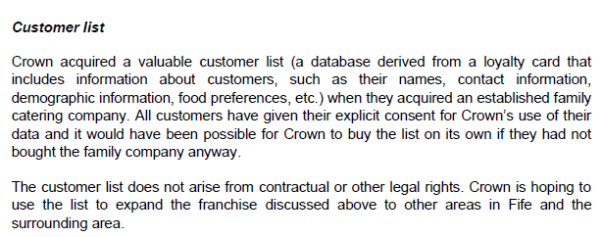

 | The customer list meets the definition of an asset as holding the list gives control and it is assumed to generate economic benefit through the targeting of customers for related sales.
 | The customer list is identifiable as it is separable – it is possible to sell the list separately from the rest of the business.
 | The customer list is non-monetary and without physical substance and so is an intangible asset.

WSE9.2
Main
 | Cruickshank

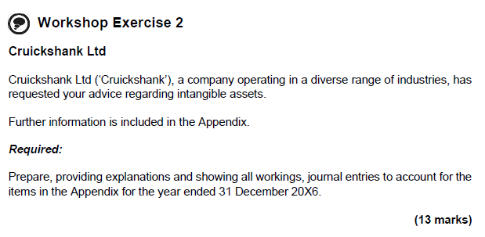

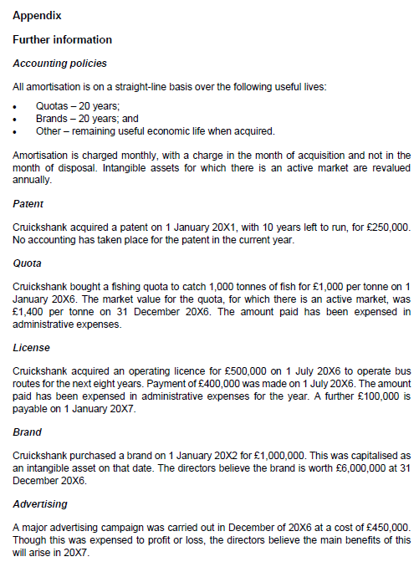

 | Y/E 31 Dec 2016
 | Patent
 | The patent should be amoritsed over its 10 year useful life

 | Charge in year:
 | 250/10
 | 25

 | Dr P&L Amortisation charge |  |  | 25
 | Cr Accum Amortisation - patent |  |  |  | 25
 | Being amortisation of patent

 | Quota
 | The quota is an identifiable intangible asset as it has been acquired.
 | The quota should be capitalised rather than expensed and amortised over its assumed 20 year useful life.

 | Dr Intangible asset - Quota |  |  | 1,000
 | Cr P&L Admin expenses |  |  |  | 1,000

 | Amortisation:
 | 1,000/20
 | 50

 | Dr P&L Amortisation charge |  |  | 50
 | Cr Accum Amortisation - quota |  |  |  | 50
 | Being amortisation of quota

 | As an active market exists, the quota should be revalued and carried at evaluation.

 | Cost | 1,000
 | Accum Dep'n | -50
 | Carrying amount | 950
 | Fair value | 1,400
 | Revaluation increase | 450

 | Dr Intangible asset - quota | 400
 | Dr Accum Dep'n | 50
 | Cr revaluation surplus |  | 450
 | Being revaluation of quota

 | License
 | The license is an identifiable intangible asset and should be capitalised at its fair value of £500k, with an accrual created for the outstanding £100k payment.

 | The license should be capitalised rather than expensed and amortised over its eight-year useful life.

 | Dr Intangible assets - License | 500
 | Cr P&L Admin expenses |  | 400
 | Cr Accruals |  | 100
 | Being capitalising license

 | Amortisation charge for period:
 | 500 x 6/(8x12)
 | 31

 | Dr Amortisation charge | 31
 | Cr Accum Amortisation License |  | 31
 | Being amortisation in period of license

 | Brand
 | The directors’ opinion does not qualify as an active market and so the brand must remain at amortised historic cost.

 | Amortisation:
 | 1000/20
 | 50

 | Dr Amortisation charge | 50
 | Cr Accum Amortisation Brand |  | 50
 | Being amortisation in period of brand

 | Advertising
 | Does not meet the definition of an asset as there is no control and therefore remains written off to P&L.

WSE9.3
Main
 | Huggy

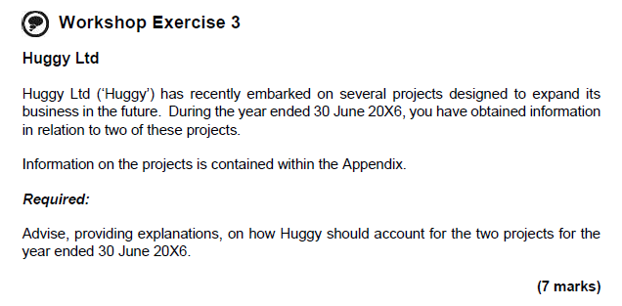

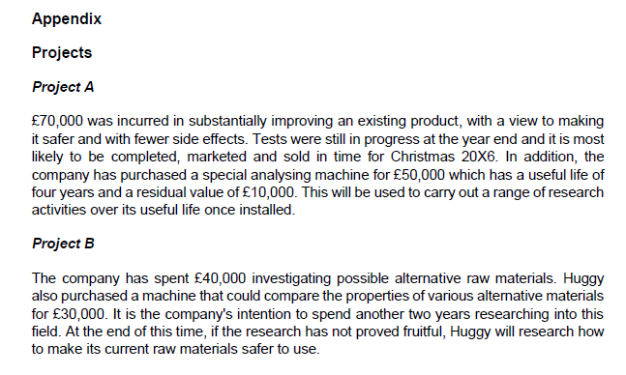

 | Project A
 | The £70,000 spent on ‘substantially improving’ an existing product falls under the definition of development expenditure.
 | Huggy must capitalise this expenditure and amortise it on a systematic basis over the period the product will be produced commercially if the following criteria are met:
 | • the project is technically feasible to be completed;
 | • Huggy intends to complete the project and either sell the item or use it;
 | • Huggy can use or sell the asset;
 | • Huggy can show how the asset will generate economic benefits;
 | • adequate technical, financial and other resources are available to enable the
 | completion of the project; and
 | • the expenditure on the project can be measured reliably.

 | The analysing machine is a tangible non-current asset and should be capitalised at £50k and depreciated to its residual value of £10k over its estimated useful economic life, a charge of £10k per annum.
 | The depreciation charge will commence when the machine is installed and ready for use.
 | Depreciation charge = 1/4 years x (£50k - £10k) = £10k

 | Project B
 | This £40,000 should be classified as research and must be written off in the year it is incurred.
 | However, the £30k machine should be capitalised and depreciated over its estimated useful economic life down to its residual value and depreciation will be included in the research and development expenditure.

